OpenCart Bugs
Bug ID | The Environment using | Test Scenarios ID | Test Case Title | Description/Summary | Steps to Reproduce | Expected Result | Actual Result | Severity | Priority | Screenshot
OPENCART-BUG-1 | Phone:"Huawei Mate10 Lite" OS: Andriod 8.0.0.356(C185) | (TS_004) Check Images | TC_FP_003-check the images names are found under them. | Names of images are not found under them. | 1. Open The app. 2. Close the home page of app and navigate to next page. 3. Ensure the names of images are found. 4. Close The app. | 1. The names of images are found. | 1- the names are ont found. | Major | P1(Medium) | 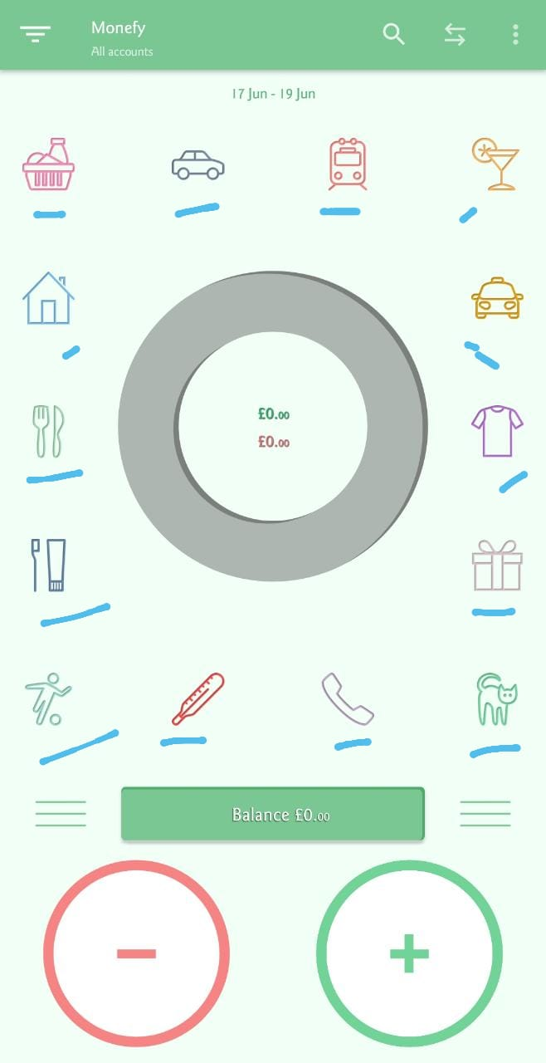
OPENCART-BUG-2 | Phone:"Huawei Mate10 Lite" OS: Andriod 8.0.0.356(C185) | (TS_005) Check Orientation | TC_SF_002 -Check the landscape orientation. | The landscape mood not working. | 1. Open phone and active the landscape mood. 2. Open the App and ensure it's okay on landscape mood. | 1. The app is okay on landscape mood. | 1.The app is not okay on landscape mood. | Major | P1(Medium) | 
OPENCART-BUG-3 | Phone:"Huawei Mate10 Lite" OS: Andriod 8.0.0.356(C185) | (TS_008) Check App Functions | TC_ATC_009 -Validate the selection button of "Day" | the swinging between Days isn't working. | 1. Open the andriod phone. 2. Open the app. 3. press the "x" button to close premium home screen. 4. close premium home screen. 5. Open the upper left menue. 6. Press on "Day" button. | 1. Activation the "Day" mood of date to adding values. 2. swinging by take turns between the days. | 1. Activation the "Day" mood of date to adding values. 2. did'nt swinging by take turns between the days. | Major | P1(Medium) | 

